Bushing DataModel
data model
 | name | CDC | explanation | LU | MU
 | mod | INC |  | ○ | ○
 | Beh | INS |  | ○ | ○
 | Health | INS |  | ○ | ○
 | NamPlt | LPL |  | ○ | ○
 | EEName | DPL |  | × | ○
 | Status
 | BshAlm | INS | bushing alarm | × | ○
 | EvtTransF | INS | event occurrence flag | ○ | ○
 | RTTransF | INS | Real-time file occurrence flag | ○ | ○
 | MoDevComF | SPS | communication status | ○ | ○
 | MoDevFlt | SPS | hardware fault | ○ | ○
 | Measurands
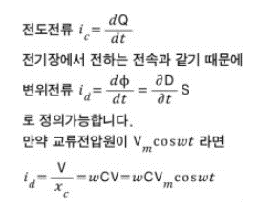
 | React | MV | Capacitanceratio | ○ | ○ | what's the ratio? Is it the ratio of the capacitance measurement value to the capacitance set value below?
 | AbsReact | MV | Capacitancevalue | ○ | ○
 | LosFact | MV | loss factor | ○ | ○ | Dissipation factor (tan delta)?
 | Vol | MV | voltage value | ○ | ○
 | DisplA | MV | displacement current | ○ | ○ | displacement current? Like a capacitor, which is the current flowing between the two electrodes? How to measure?
 | LeakA | MV | leakage current value | ○ | ○
 | LeakAphs | MV | Leakage current phase | ○ | ○
 | Volphs | MV | voltage phase | ○ | ○
 | PF | MV | power factor | ○ | ○
 | UnblA | MV | unbalanced current | ○ | ○
 | UnblAphs | MV | unbalanced current phase | ○ | ○
 | Settings
 | RefReact | ASG | Capacitanceset value | × | ○
 | RefPF | ASG | power factor setpoint | × | ○
 | RefV | ASG | voltage setpoint | × | ○

